Sheet1
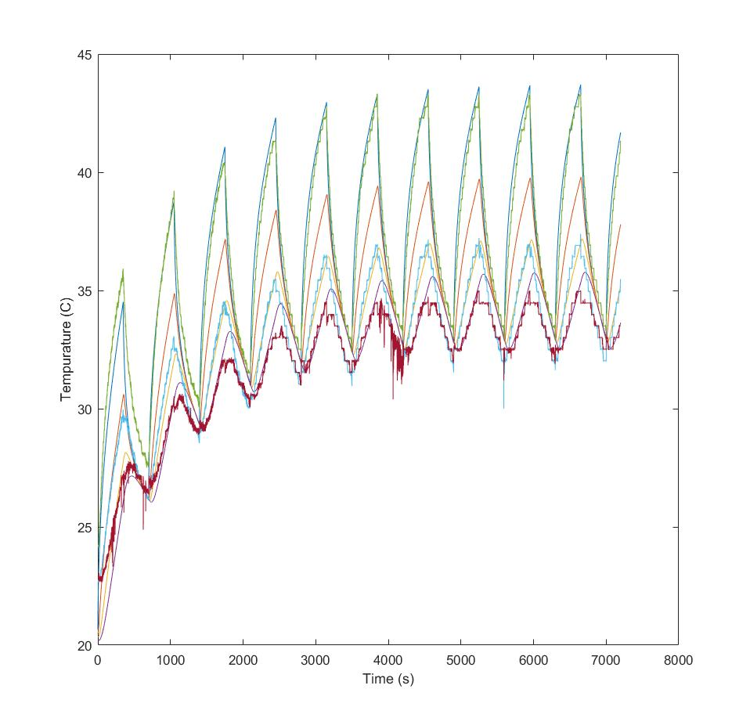
 | Variables
Test Number | c | k | Pin | kc | e
1 | 921 | 300 | 10 | 12.5 | 0.2

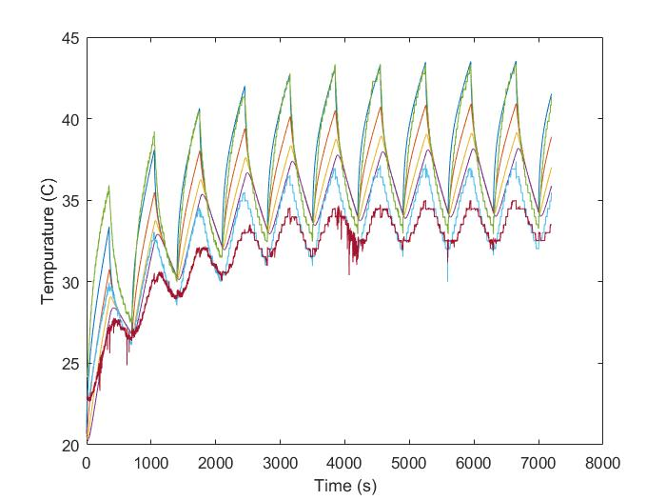
2 | 921 | 500 | 11 | 12.5 | 0.2

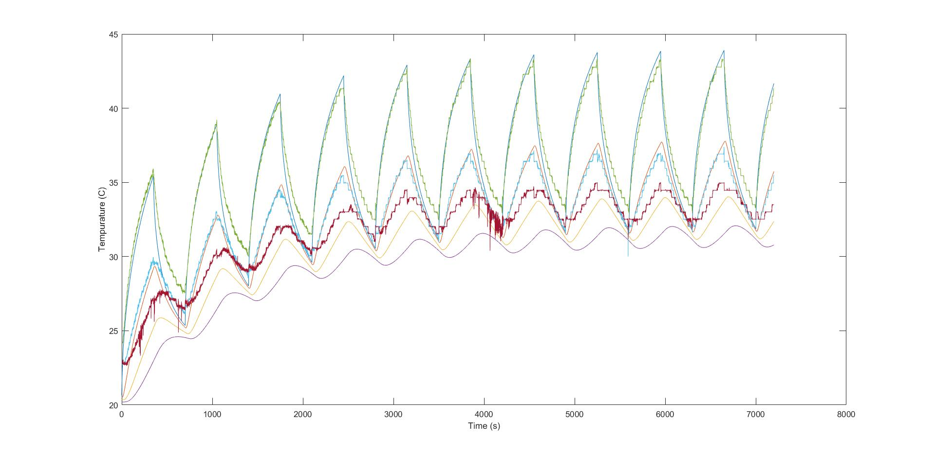
3 | 1400 | 200 | 11 | 15 | 0.4

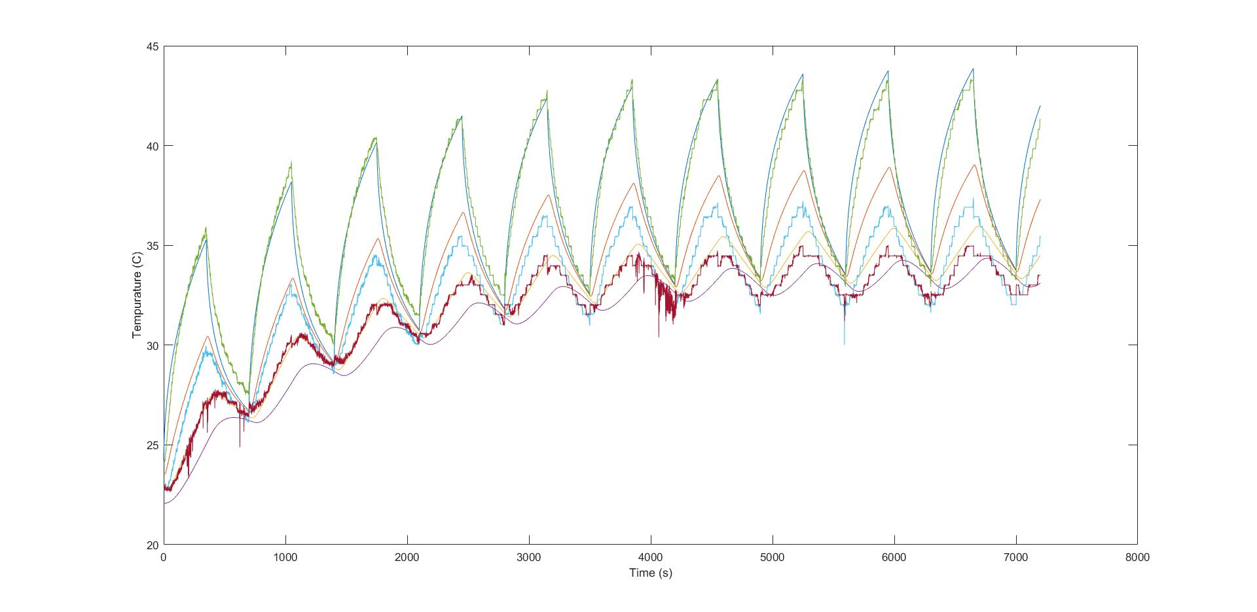
Changed Starting Tempurature
4 | 1200 | 200 | 8.5 | 9.25 | 0.4

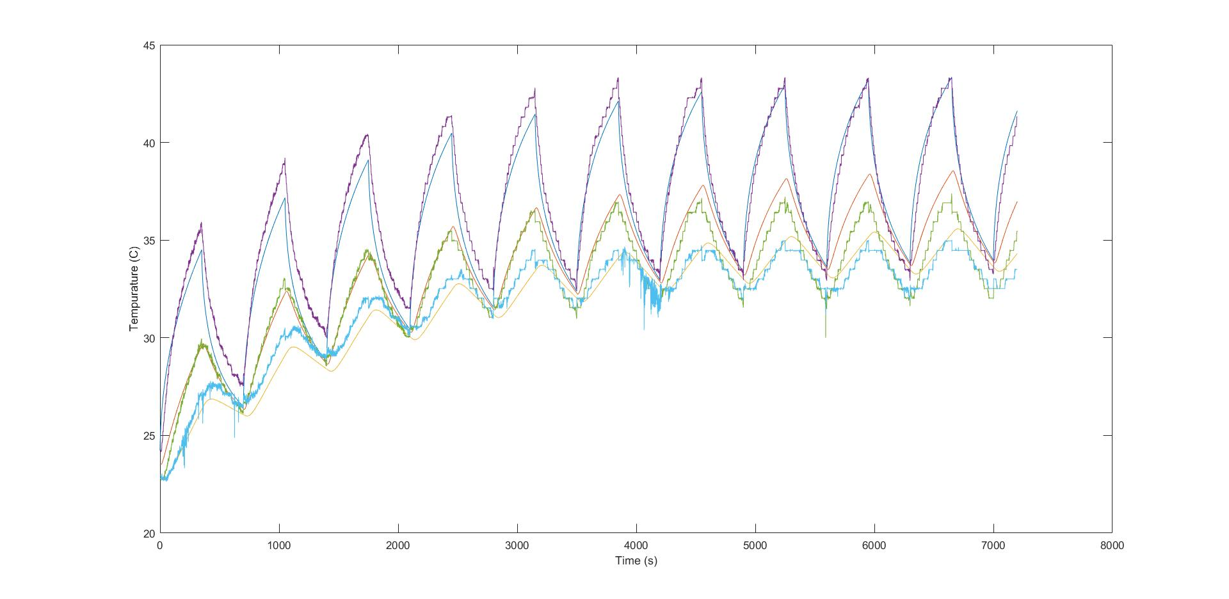

5 | 1400 | 200 | 8.5 | 9.25 | 0.4

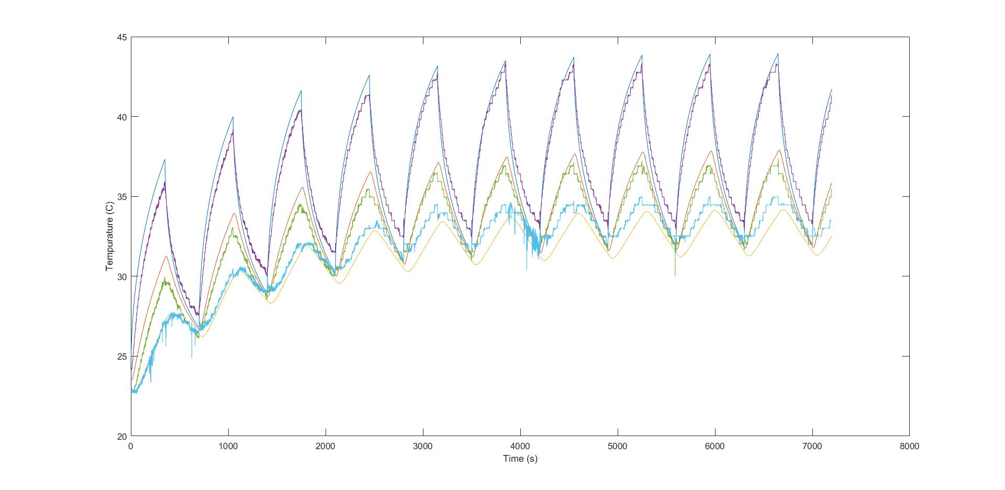
6 | 1200 | 175 | 12.5 | 9.5 | 0.2

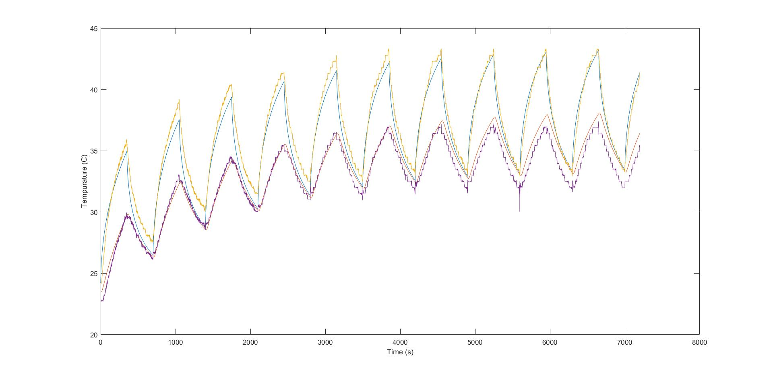
7 | 1300 | 175 | 10 | 8 | 0.25

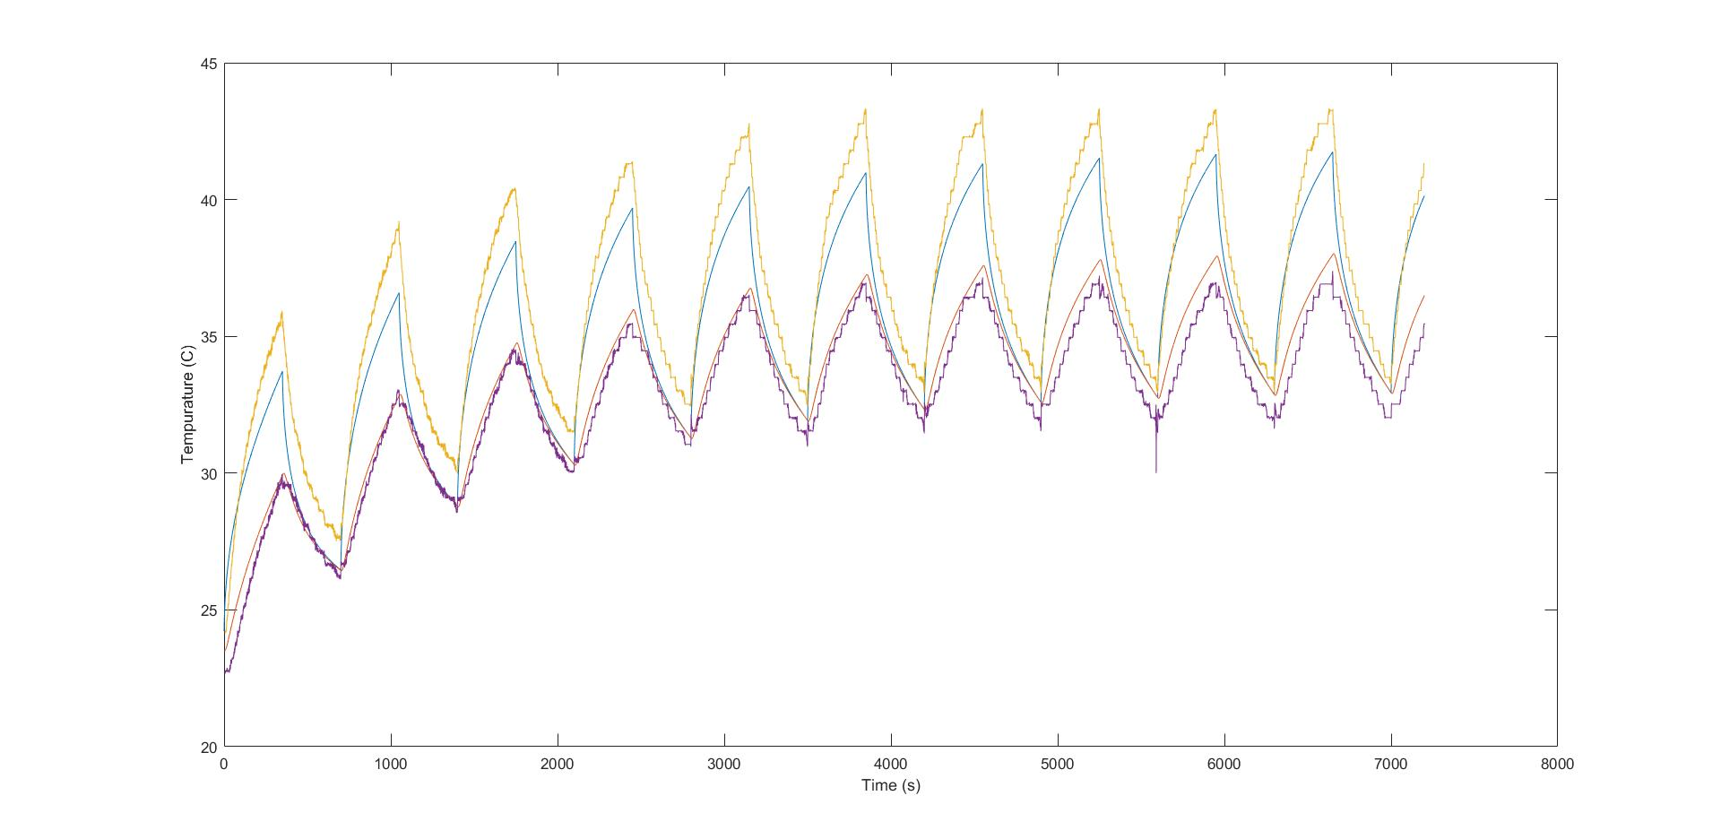
7 | 1100 | 250 | 10 | 8 | 0.25

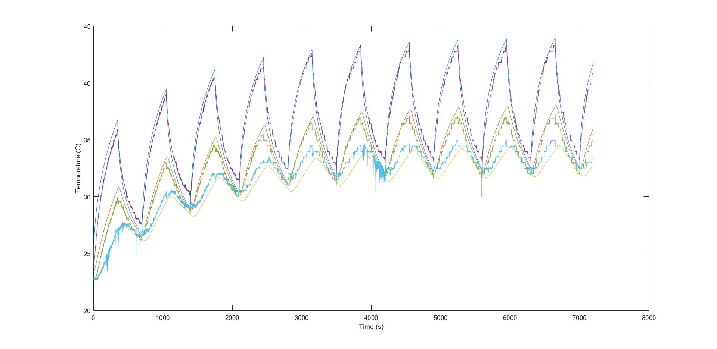
9 | 1100 | 150 | 11 | 8 | 0.2

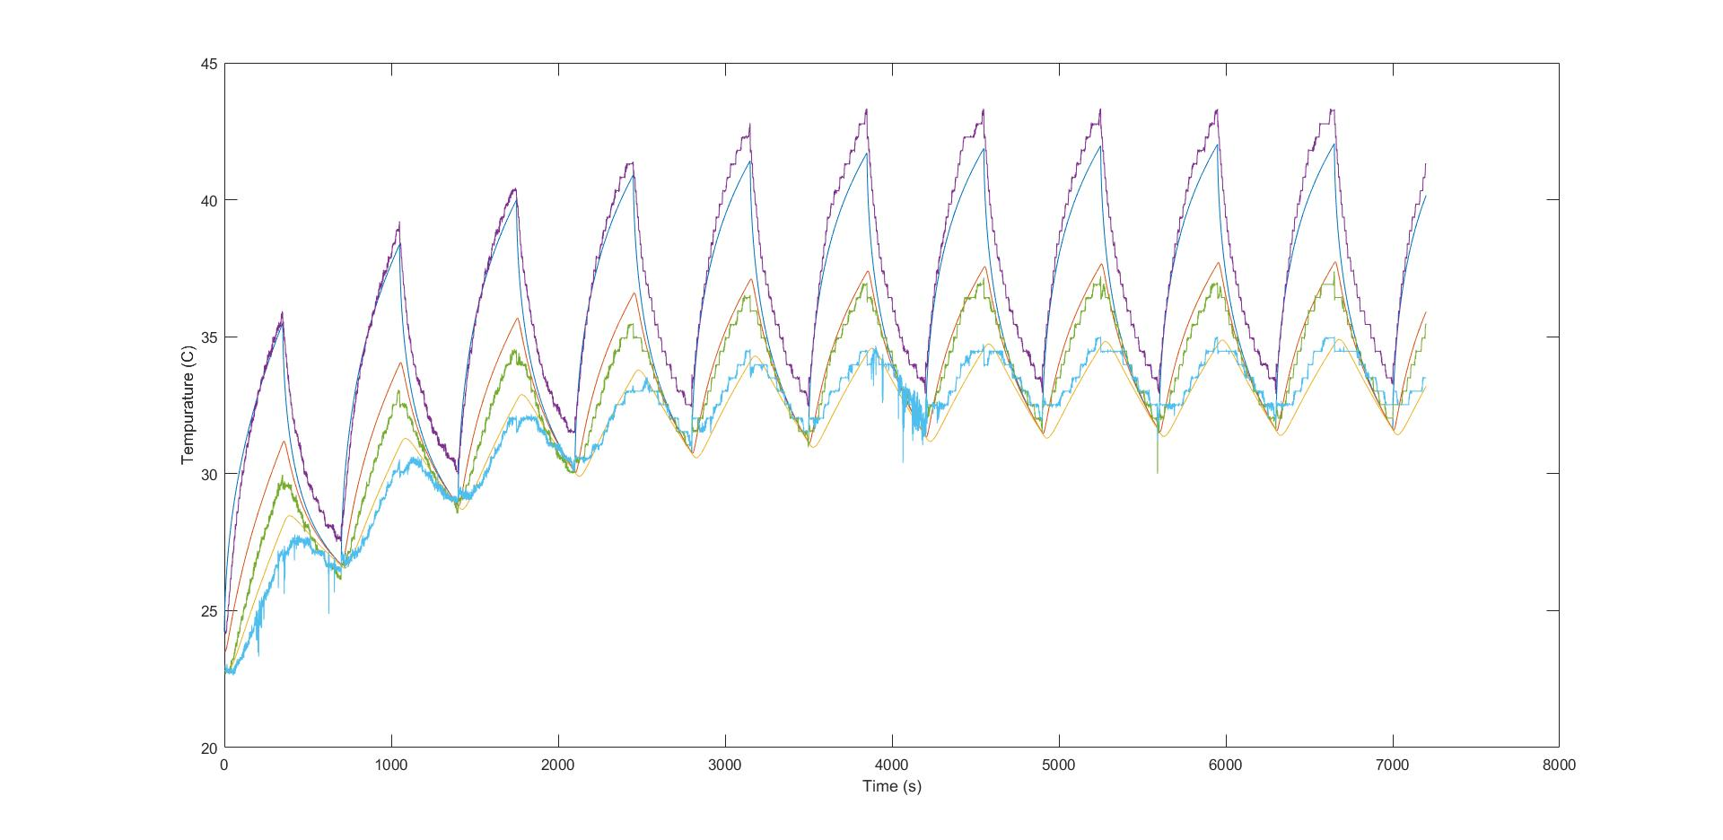
10 | 921 | 220 | 11.5 | 8.2 | 0.2

